Foglio1
Photos | Product | Category | Model | Part | Desc Article | Colour Code | Size | Brand | Gender | Made In | Unit WHS | Units | RRP
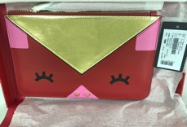 | N89 - WRISTLET CASE | 12 - SMALL LEATHER GOODS | Y3H051 | DH74A | WRISTLET CASE | 80373 | TU | 30 - Emporio Armani | 60 - WOMAN | CN - CHINA | 55.50 € | 1023 | 139.00 €
 | P69 - SHOULDER BAG | 10 - BAGS | Y3B071 | DH74A | SHOLDER BAG | 80373 | TU | 30 - Emporio Armani | 60 - WOMAN | CN - CHINA | 72.50 € | 1046 | 182.00 €
 | S10 - PENDANT | 12 - SMALL LEATHER GOODS | Y3H135 | DH74A | WOMEN'S CHARM | 83368 | TU | 30 - Emporio Armani | 60 - WOMAN | CN - CHINA | 47.00 € | 3378 | 118.00 €

